CollectiveAccess
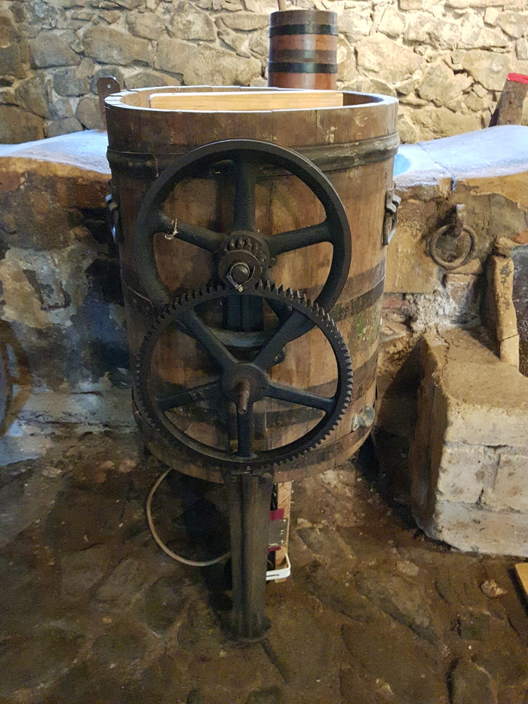
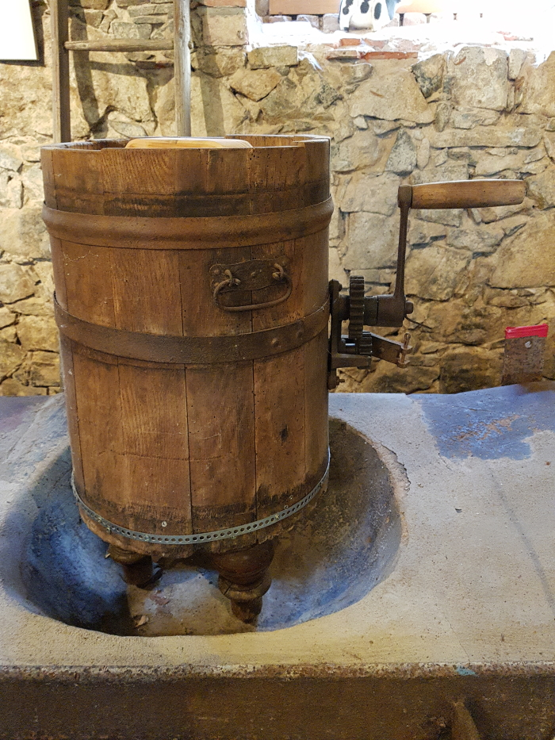
Image | Object | Description | Date
 | Buttermaschine "Schaede" (A1794)
 | Drehbutterfass (A1817)

