CollectiveAccess
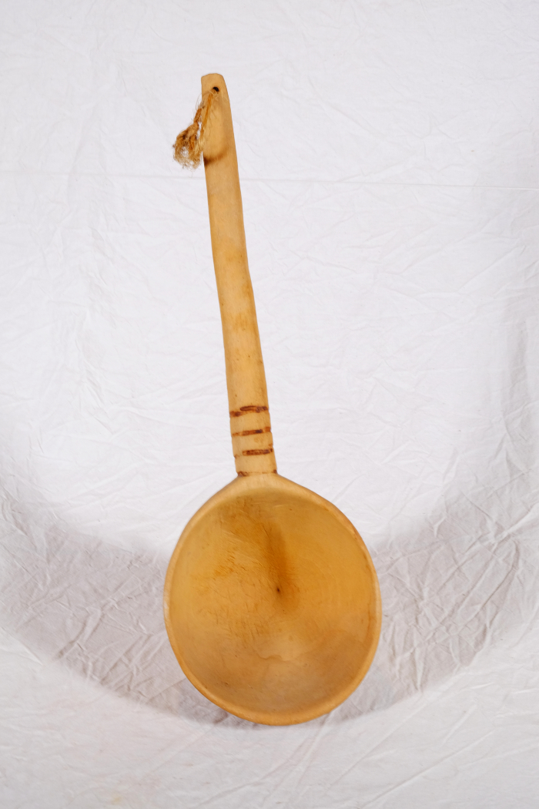
Image | Object | Description | Date
 | Kelle (A1648)
 | Kelle (A1650)

