CollectiveAccess
Image | Object | Description | Date
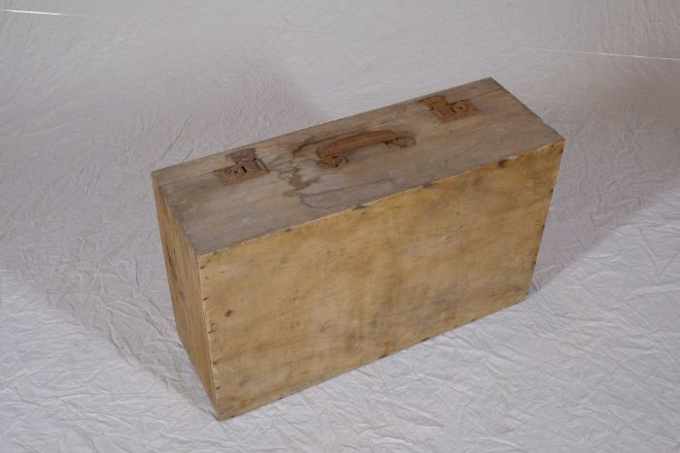 | Holzkoffer (A1143)
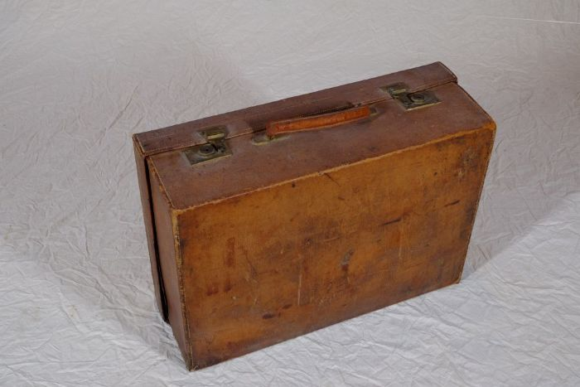 | Lederkoffer (A1144)
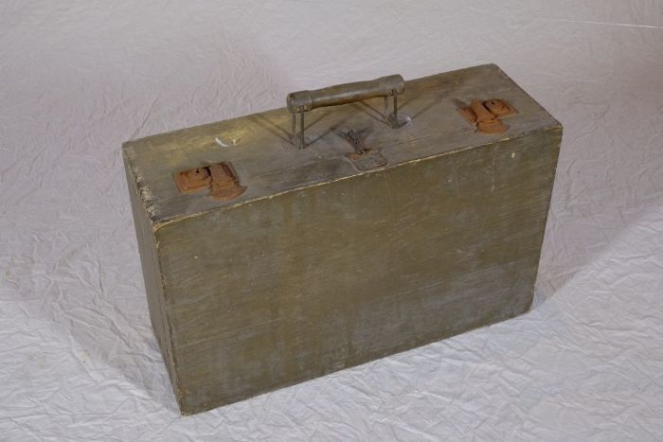 | Holzkoffer (A1145)

