CollectiveAccess
Image | Object | Description | Date
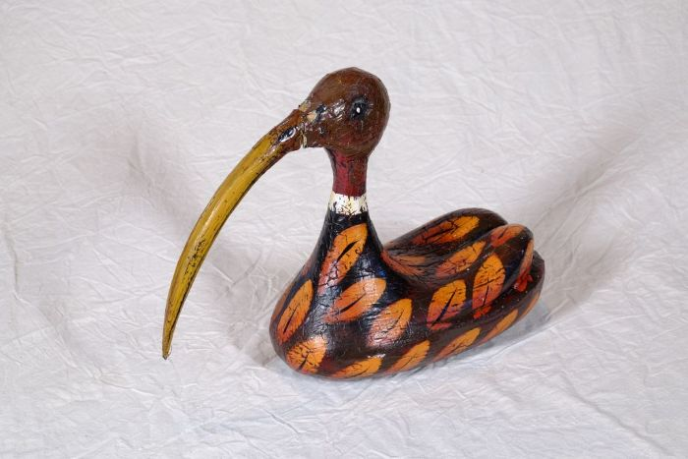 | Entenfigur (A1128)

