CollectiveAccess
Image | Object | Description | Date
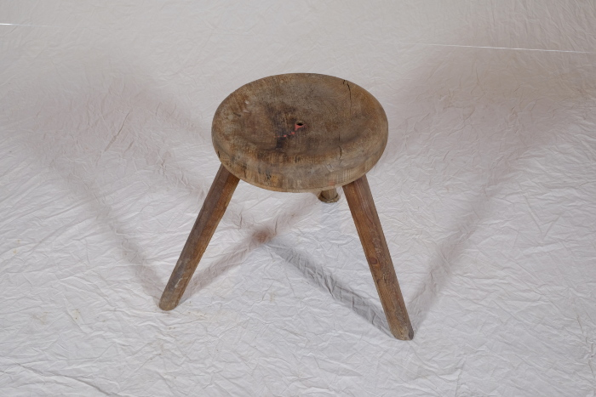 | Schemel (A1374)

